1 ph 10 kVA
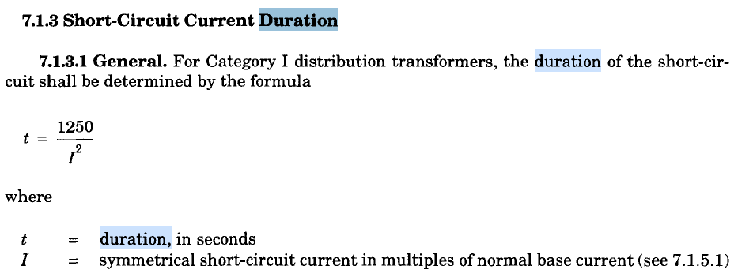
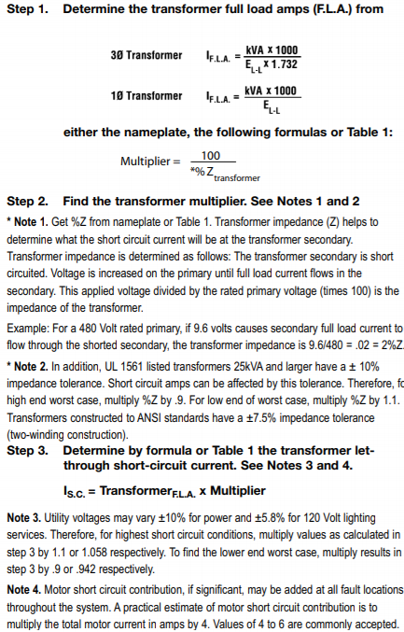
Item No. | Description | Unit | GPL | Bidder
 | General |  |  |  | Tx | 10 | kVA
1 | Rated Power (kVAn - ONAN Rated) | kVA | 10 |  | Vsec. | 240 | V
2 | Rated Frequency | Hz | 60 |  | In | 42 | Amp
3 | Voltage class | kV | 15 |  | %Z | 1.3
4 | Rated Primary Voltage | V | 13,800 |  | M | 85
5 | Rated Secondary Voltage | V | 120/240 |  | Isc | 3,917 | Amp
6 | Number of Phases |  | 1 |  | Isc | 4 | kA
7 | Suitable for parallel operation with transformers of different rating. | YES/NO | YES |  | I | 94.017094017
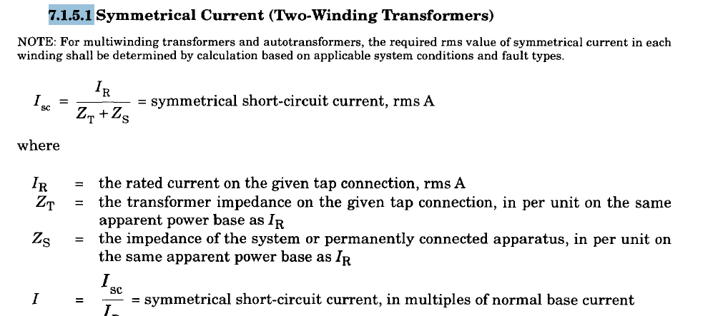
8 | Suitable for operating in three-phase bank with transformers of same and/or different rating. | YES/NO | YES |  | t | 0.14141528926 | seconds
9 | A list of recommended spare parts and their individual prices is provided. | YES/NO | YES
10 | Manufacturer
11 | Manufacturer's data sheet supplied | YES/NO | YES
 | Type of Transformer
12 | Transformer Type |  | Double wound, sealed type, oil immersed
13 | Cooling Type |  | ONAN
14 | Transformer polarity |  | subtractive
15 | Number of HV bushing terminations |  | 2
16 | Number of LV bushing terminations |  | 4
17 | Both legs of secondary winding are out to LV bushings | YES/NO | YES
18 | HV bushings have tinned bronze eyebolt type connectors | YES/NO | YES
19 | LV terminals have bi-metallic clamp | YES/NO | YES
20 | It is not necessary to keep the transformer energised to prevent deterioration. | YES/NO | YES
 | Taps & Voltage Regulation
21 | No. of Tap Positions/Steps | No. | 5
22 | Max Tap Position (above nominal) | % | 5
23 | Min Tap Position (below nominal) | % | -5
24 | Tap Steps | % | 2.5
25 | Transformer suitable for pole mounting | YES/NO | YES
26 | Voltage Regulation at Full Load and Power Factor of 1 | % | ≤ 1
27 | Voltage Regulation at Full Load and Power Factor of 80% | % | < 2.5
28 | Can the tap changer switch be Locked | YES/NO | YES
29 | Tap changer handles are fitted with covers having gaskets, so that sealing of the transformer under normal conditions is independent of the switch shaft gland. | YES/NO | YES
30 | Tap changer catalogue details attached | YES/NO | YES
 | Overcurrent Protection
31 | High voltage protective fuse links | YES/NO | YES
32 | Internally mounted LV Circuit Breaker | YES/NO | YES
33 | Circuit Breaker and protective links are coordinated | YES/NO | YES
34 | Operation of protective devices are indicated externally | YES/NO | YES
35 | The Circuit Breaker is controllable with switch on tank | YES/NO | YES
36 | Characteristic curves of protective devices are submitted | YES/NO | YES
 | Impedance & Short Circuit Rating
37 | Impedance measured at 85 oC, nominal tap position and rated voltage. | % | 1.2% to 1.3 % ± 10%
38 | Rated Short-circuit withstand Current | kA | 40pu x In
39 | Rated Short-circuit Current withstand duration (both sides) | s | 1
40 | X/R Ratio | % | 1.1 to 1.4
 | Losses
41 | No Load Current | A | (1% to 2%) x In
42 | No-load Loss at Nominal Tap Position and Rated Primary Voltage | W | ≤ 36
43 | Load Loss at Nominal Tap Position and Rated Load Current | W | ≤ 120
 | Flux Density
44 | Magnetic Flux Density at nominal tap, operating at normal voltage and frequency. | Tesla | ≤ 1.7
45 | Magnetic Flux Density (one minute at normal tap) (10% overvoltage at 97% of rated frequency) | Tesla | ≤ 1.9
 | Coils & Windings
46 | The core and windings are vacuum processed. | YES/NO | YES
47 | The core and windings are capable of withstanding mechanical shocks. | YES/NO | YES
48 | The core is manufactured from burr-free, grain-oriented silicon steel laminations and was precisely stacked to eliminate gaps in the corner joints. | YES/NO | YES
49 | The windings are insulated with B-stage, epoxy coated, diamond pattern, insulating paper. | YES/NO | YES
50 | Conductor for HV winding - Manufacturer/Supplier
51 | Type of Winding material on HV Side |  | AL/CU
52 | Conductor for LV winding - Manufacturer/Supplier
53 | Type of Winding material on LV Side |  | AL/CU
 | Bushings & Terminations
54 | Busing Type |  | outdoor type and easily replaceable
55 | Type of bushing insulator - HV |  | porcelain
56 | Type of bushing insulator - LV |  | porcelain
57 | Creepage Distance (minimum) line to line | mm/kV | 25
58 | Creepage Distance (minimum) line to ground | mm/kV | 44
59 | 15 kV class lighting arrestor electrically connected to each HV bushing and mechanically secured onto the tank. | YES/NO | YES
60 | Number of earthing/grounding terminals comprising of non-ferrous material M12 isometric bolt and nut which include a spring washer and a lock washer. |  | 2
61 | Voltage rating HV Bushing (Voltage Class) | kV | 15
62 | Voltage rating LV Bushing (Voltage Class) | V | 600
63 | Current rating HV Bushing | A | 2 x In of transformer
64 | Current rating LV Bushing | A | 2 x In of transformer
65 | HV Bushing BIL | kV | 95
66 | HV Bushing Power Frequency withstand Voltage - Dry | kV | 35
67 | HV Bushing Power Frequency withstand Voltage - Wet | kV | 30
68 | LV Bushing Power Frequency withstand Voltage - Dry | kV | 35
69 | LV Bushing Power Frequency withstand Voltage - Wet | kV | 30
70 | Type and Metal used in HV Terminal |  | tinned bronze
71 | Type and Metal used in LV Terminal |  | bi-metallic
72 | Type and Metal used in Earth Terminal |  | non-ferrous
73 | Minimum phase to phase clearance HV | mm | 140
74 | Minimum earth to phase clearance | mm | 229
75 | Minimum phase to phase clearance LV | mm | 76
76 | Spring and lock washer included | YES/NO | YES
 | Transformer Oil
77 | Oil type |  | Class 1 mineral oil that conforms to IEC 60296 or IEEE C57.12.00, section 6.6.1
78 | Dielectric strength of the oil | kV | > 40
 | Overloading
79 | Duration of 25% Overload at Service Conditions | minutes | 180
80 | Duration of 50% Overload at Service Conditions | minutes | 90
 | Installation/Service Conditions
81 | Maximum altitude above mean sea level | m | < 1,000
82 | Maximum relative humidity | % | 100
83 | Design maximum outdoor temperature | oC | 40
84 | Design continuous ambient temperature | oC | 30
85 | Minimum ambient temperature | oC | 15
86 | Maximum temperature rise over ambient temperature:
 | a) In oil by thermometer | oC | 65
 | b) In winding by resistance measurement | oC | 65
 | c) Limit for hot spot temperature for which the transformer is designed | oC | <80
 | d) Temperature gradient between windings and oil | oC | 20
 | e) Type and details of winding hot spot temperature detector |  | Resistance temperature detector
 | f) Type of maximum winding temperature indicator |  | analog/ digital
87 | Average Winding Temperature Rise | oC | 65
88 | Maximum Winding Temperature Rise | oC | 105
 | Fittings
89 | Rating, diagram, and terminal marking plate | YES/NO | YES
90 | Tank grounding terminal | YES/NO | YES
91 | Lifting lugs | YES/NO | YES
92 | Manual pressure relief device | YES/NO | YES
93 | Drain/sampling valve with plug | YES/NO | YES
 | Tank
94 | Tank material |  | mild steel
95 | Thickness of tank | mm | ≥ 3
96 | Thickness of top and bottom covers | mm | ≥ 5
97 | Bolted cover construction is used | YES/NO | YES
98 | Two lifting brackets welded to opposite sides of the tank. | YES/NO | YES
99 | Pressure relief valve can be operable manually by hot-stick. | YES/NO | YES
100 | Painting method details attached | YES/NO | YES
 | Tank (for information purposes only)
101 | Tank Width | mm
102 | Tank Height | mm
103 | Tank Dept (length) | mm
104 | Weight of Core and Windings | kg
105 | Weight of Tank | kg
106 | Weight of Oil at 20 oC | kg
107 | Total weight of Transformer without oil | kg
108 | Shipping weight of Transformer | kg

 | Name:……………………………………………….. |  |  | Affix Company Seal Below

 | Signature:……………………………………..

 | Date:…………………………………………….

